Analysis Report
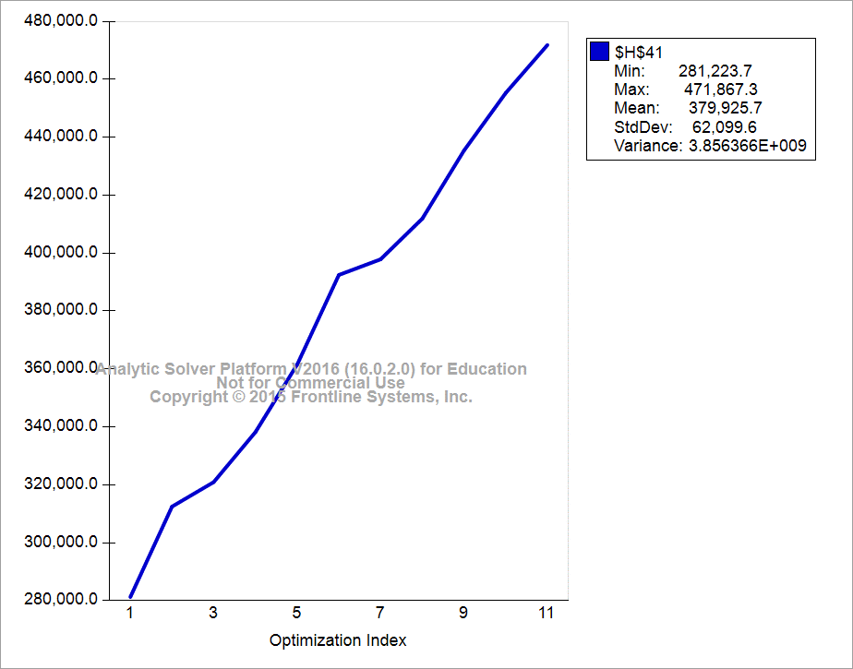
$C$23 | $H$41 | Rate
30 | 281,223.7
31 | 312,457.7 | 31233.924684
32 | 311,886.6 | -571.00314643
33 | 337,259.5 | 25372.811909
34 | 361,719.0 | 24459.52768
35 | 392,784.1 | 31065.100406
36 | 408,833.8 | 16049.684269
37 | 411,273.1 | 2439.3717142
38 | 435,277.2 | 24004.035259
39 | 454,281.4 | 19004.225194
40 | 465,912.3 | 11630.89543

Simulation Analysis
